Significant
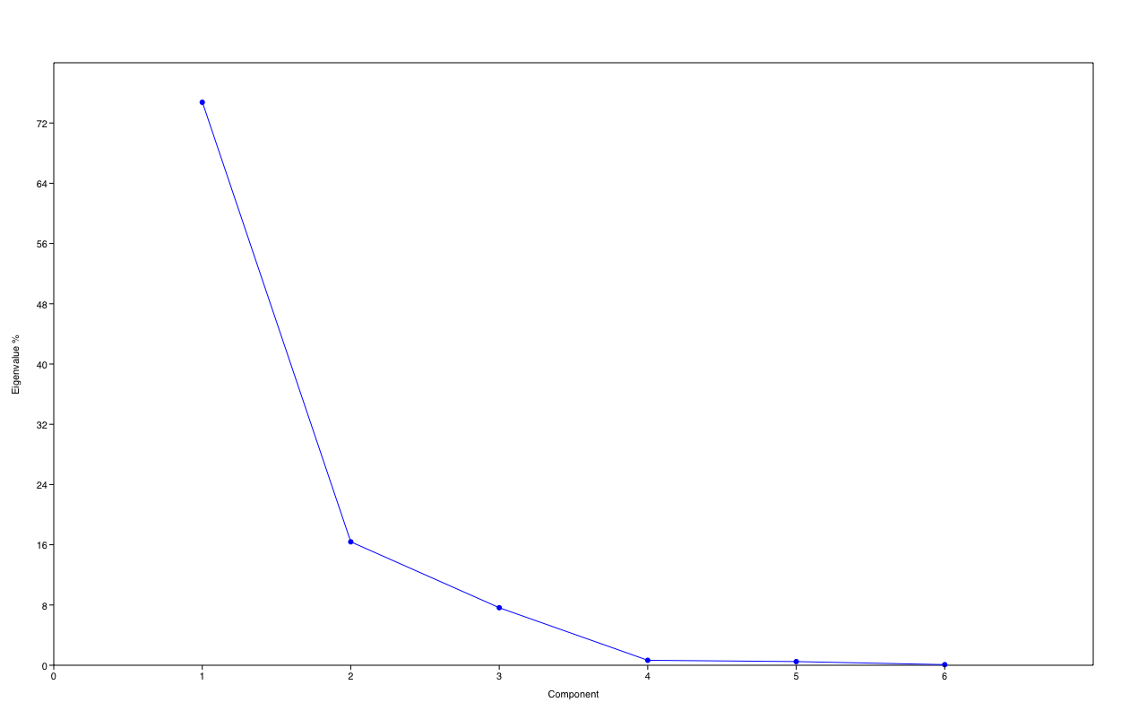
PC | Eigenvalue | % variance
1 | 0.0388122 | 74.754
2 | 0.00850922 | 16.389
3 | 0.00396533 | 7.6374
4 | 0.0003412 | 0.65717
5 | 0.000250844 | 0.48314
6 | 4.09481E-05 | 0.078868

